India Calcs
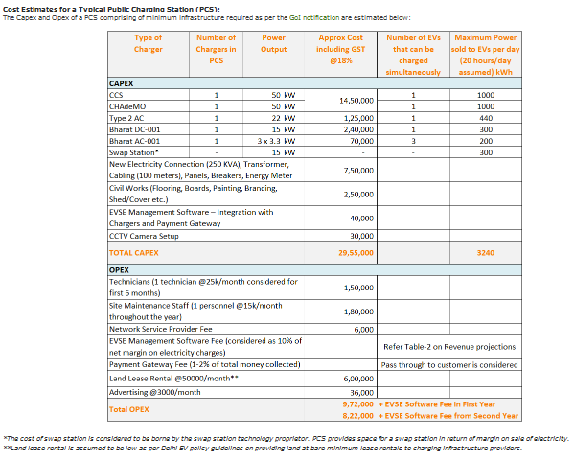
Cost Estimates for a Typical Public Charging Station (PCS):
Capex and Opex of a PCS comprising of min. infrastructure reqd. as per GoI notification estimated below:
Type of Charger | Power o/p (kW) | Approx Cost incl. GST@18% (INR)* | Weighted Costs (kw o/p*INR)
CCS | 50 | 1450000 | 145000000
CHAdeMO | 50
Type 2 AC | 22 | 125000 | 2750000
Bharat DC-001 | 15 | 240000 | 3600000
Bharat AC-001 | 9.9 | 70000 | 693000
 |  | kW-weighted average | 1035010 | 2018 INR
 |  |  | 13750 | 2012 USD
Source: Plugin India
*since this article was published in Jan 2019, we assume the costs to be of 2018

